Clients Requirement
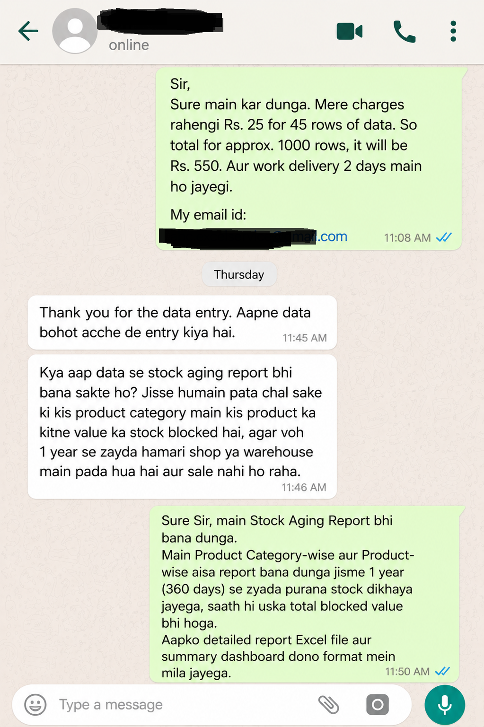
Old Conversation

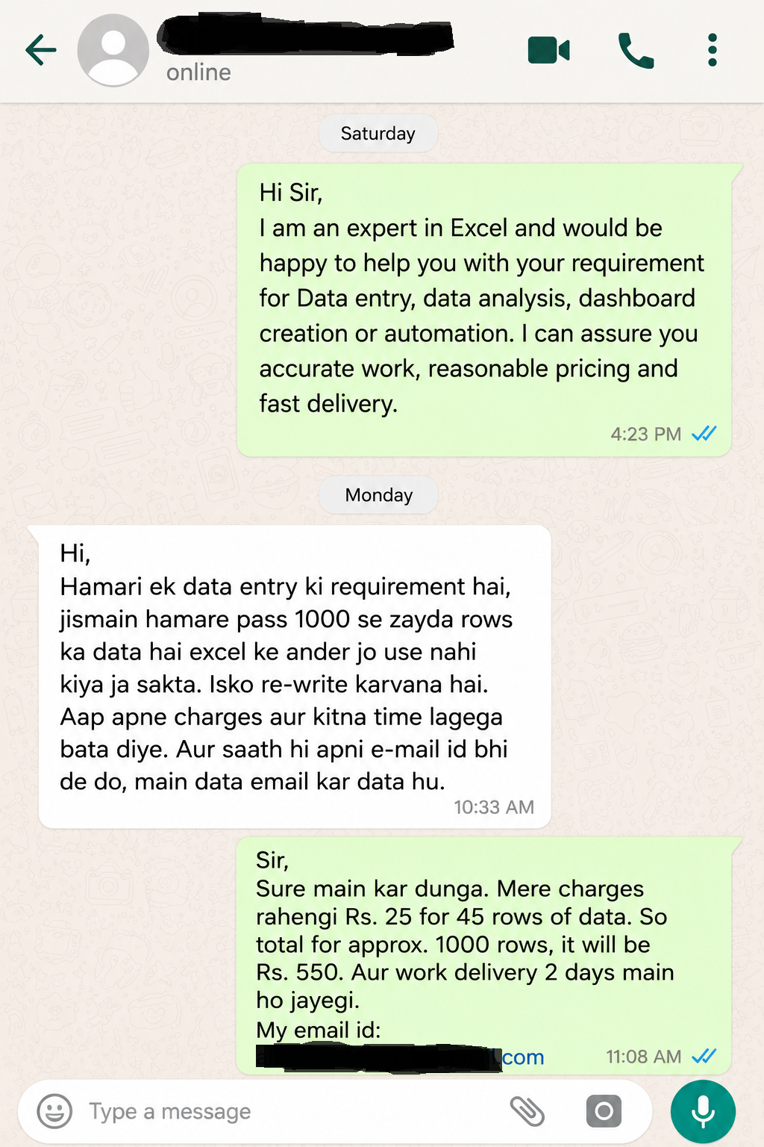

Clients's Requirement

Home Work
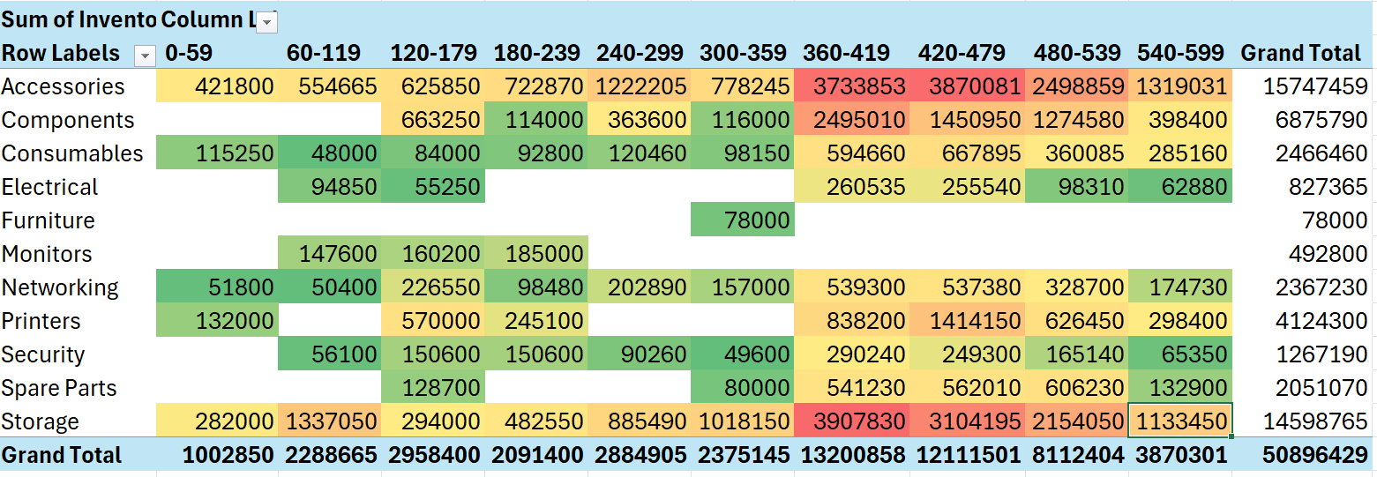
Write Total stock value for Accessories category blocked between 360 - 419 days in the comment section of this video :)


Fulfil the requirement and I'll Pay you a Good amount...

Create a Stock Aging report i.e. Which stock is getting old?

Hint :

